1. Title Page
Instacart Basket Analysis

Project Name: Instacart Basket Analysis Advertising Strategy
Date:12/20/2023
Analyst Name: Daniel R Meyers II

Contents:
Population Flow
Consistency checks
Wrangling steps
Column derivations
Visualizations
Recommendations

2. Population Flow
Title page

Population flow

Exclusion flag
Condition: max_order < 5
Obervations to be removed: null values, sensitive PII, and incorrect prices
Final total count of order_products_all: (30104167, 16)

Orders_products_combined
Orders_products_merged
Orders_products_all

Total: (32404859, 21)
Total: (32434489, 10)
Total: (32404859, 32)

1.) The grey boxes in the first row of the population flow represent the original data sets as they were when you downloaded them. In the Total fields you need to add the count of the rows when you imported the data set into Jupyter.
2.) The second row of boxes (coloured) represents the data sets after you manipulated them, e.g., removed missing values and duplicates. In the Total fields you need to add the count of the rows after conducting these operations. This offers a visual oveview of how the data flows throughout the data consistency checks.
3.) The third row, where also the arrows are coloured, represents the merges you performed between the datasets. In the Total fields you need to add the count of the rows in the merged datasets, so that you end up with the final dataset (in the red box). Keep in mind the final dataset should be without exclusions (based on the exclusion flag).

3. Consistency checks
 |  |  |  |  |  |  | Title page
Consistency checks

Dataset | Missing values | Missing values treatment | Duplicates
orders | 206209 days since prior order | Left alone | None
products | 16 product names | removed the 16 rows | 5 dropped duplicates
orders_products_prior | 2076096 | - | none
customers | 11259 | removed the entire column | none

days_since_prior_order | 1 | 2 | 3 | 4 | 5 | 6 | 7 | 8 | 9 | 10 | 11 | 12 | 13 | 14 | 15 | 16 | 17 | 18 | 19 | 20 | 21 | 22 | 23 | 24 | 25 | 26 | 27 | 28 | 29 | 30 | 31 | 32 | 33 | 34 | 35 | 36 | 37 | 38 | 39 | 40 | 41 | 42 | 43 | 44 | 45 | 46 | 47 | 48 | 49 | 50 | 51 | 52 | 53 | 54 | 55 | 56 | 57 | 58 | 59 | 60 | 61 | 62 | 63 | 64 | 65 | 66 | 67 | 68 | 69 | 70 | 71 | 72 | 73 | 74 | 75 | 76 | 77 | 78 | 79 | 80 | 81 | 82 | 83 | 84 | 85 | 86 | 87 | 88 | 89 | 90 | 91 | 92 | 93 | 94 | 95 | 96 | 97 | 98 | 99
0 | 0 | 20536 | 20441 | 17984 | 16438 | 16046 | 14384 | 13890 | 12774 | 11460 | 11784 | 9828 | 9438 | 8960 | 8435 | 8130 | 7848 | 7749 | 7038 | 6902 | 7084 | 6424 | 6170 | 6103 | 6032 | 5541 | 6049 | 5569 | 5201 | 5685 | 4811 | 5133 | 4630 | 4535 | 4552 | 4384 | 4314 | 4093 | 3864 | 4029 | 4056 | 3825 | 3677 | 3670 | 3226 | 3519 | 3326 | 2720 | 3164 | 2634 | 2482 | 2928 | 2624 | 2522 | 2379 | 2483 | 2375 | 2221 | 2354 | 2196 | 2069 | 2247 | 1856 | 2031 | 1585 | 2127 | 1939 | 1871 | 1560 | 1672 | 1700 | 1573 | 1731 | 1555 | 1341 | 1537 | 1526 | 1422 | 1369 | 1184 | 1306 | 1196 | 1150 | 1490 | 1343 | 1358 | 1139 | 1177 | 1177 | 1195 | 1148 | 1040 | 937 | 1134 | 1099 | 1041 | 883 | 1037 | 935
1 | 0 | 31674 | 29950 | 28010 | 27092 | 25533 | 24996 | 22921 | 21783 | 21067 | 21260 | 19516 | 19108 | 18279 | 18544 | 18133 | 16765 | 15977 | 15509 | 15128 | 15183 | 13855 | 13619 | 13230 | 12861 | 13006 | 12938 | 11962 | 12525 | 12084 | 11751 | 11581 | 10867 | 10395 | 9694 | 9688 | 9760 | 9506 | 9562 | 9456 | 8645 | 8873 | 8713 | 8576 | 8441 | 8323 | 8482 | 8199 | 7711 | 7147 | 7715 | 6976 | 6525 | 7033 | 7112 | 6250 | 6438 | 6265 | 5896 | 5851 | 5598 | 5947 | 4935 | 5725 | 4852 | 4950 | 5263 | 4675 | 4568 | 4692 | 4123 | 4405 | 4222 | 4229 | 4013 | 3918 | 4106 | 3996 | 3596 | 4132 | 3518 | 3149 | 3458 | 3289 | 3245 | 3108 | 2970 | 2693 | 3027 | 2787 | 2801 | 2728 | 2605 | 2606 | 2639 | 2436 | 2535 | 2633 | 2363
2 | 0 | 46454 | 46264 | 43902 | 40729 | 40907 | 38101 | 37519 | 35745 | 33830 | 33364 | 31473 | 30602 | 30259 | 28626 | 27574 | 26687 | 26236 | 25612 | 23717 | 23529 | 23979 | 23049 | 22337 | 21831 | 21598 | 20651 | 19776 | 18953 | 19240 | 18736 | 18331 | 17108 | 17534 | 16381 | 16021 | 16448 | 16095 | 15569 | 14664 | 14450 | 14344 | 13397 | 12920 | 12940 | 12895 | 12061 | 13443 | 12348 | 11730 | 11714 | 10607 | 10573 | 10813 | 10214 | 9494 | 9709 | 9349 | 8823 | 8733 | 8963 | 8179 | 8185 | 7712 | 7416 | 7756 | 7338 | 7041 | 7148 | 6623 | 6737 | 6386 | 6289 | 5951 | 5709 | 5629 | 5221 | 5058 | 5071 | 4704 | 4924 | 4388 | 4801 | 4658 | 3946 | 3937 | 4074 | 4204 | 3474 | 3623 | 3555 | 3314 | 3589 | 3319 | 3072 | 2985 | 3057 | 3091 | 2609
3 | 0 | 61637 | 63388 | 59996 | 57882 | 56183 | 52869 | 49291 | 48295 | 47826 | 45028 | 42994 | 42117 | 40701 | 38433 | 37943 | 35934 | 34663 | 34387 | 32645 | 32395 | 31478 | 30683 | 29434 | 29001 | 28254 | 26465 | 27083 | 25750 | 23421 | 23592 | 24477 | 23818 | 22226 | 21865 | 21329 | 20609 | 20805 | 19501 | 20909 | 18544 | 17952 | 17429 | 16905 | 16367 | 16424 | 15506 | 15539 | 14239 | 14977 | 13646 | 13555 | 12915 | 12216 | 11583 | 11839 | 11204 | 10572 | 10601 | 9899 | 10058 | 9837 | 9019 | 9232 | 8346 | 7929 | 7890 | 7420 | 7948 | 7222 | 6659 | 6834 | 6267 | 6273 | 6433 | 6070 | 5437 | 5168 | 5425 | 4885 | 5008 | 4557 | 4436 | 3799 | 4246 | 4005 | 3915 | 3359 | 3573 | 3318 | 3237 | 2799 | 3073 | 2902 | 2635 | 2658 | 2462 | 2168 | 2467
4 | 0 | 76733 | 78861 | 73540 | 70519 | 66569 | 62399 | 61143 | 59499 | 57700 | 54730 | 51935 | 48774 | 46896 | 45838 | 44241 | 42119 | 41276 | 39404 | 37328 | 36517 | 36475 | 35903 | 33132 | 34157 | 31341 | 31036 | 30094 | 28532 | 27017 | 26954 | 26013 | 24438 | 24654 | 23964 | 23047 | 22939 | 21584 | 20794 | 19015 | 19390 | 19327 | 18766 | 18719 | 18091 | 16584 | 16188 | 15564 | 15003 | 14202 | 13801 | 13032 | 12912 | 12019 | 11650 | 11928 | 11599 | 10291 | 9864 | 9640 | 9029 | 8717 | 8571 | 7755 | 8195 | 7316 | 6613 | 6331 | 6114 | 6468 | 6385 | 5590 | 5320 | 4985 | 5209 | 4348 | 4795 | 4442 | 4184 | 4229 | 3868 | 3985 | 3444 | 3224 | 2843 | 2862 | 2584 | 2711 | 2630 | 2342 | 2260 | 2490 | 2031 | 1800 | 2083 | 1918 | 1792 | 1695 | 1810
5 | 0 | 88999 | 91741 | 86503 | 81859 | 77583 | 73584 | 70020 | 64468 | 63154 | 59454 | 55546 | 53534 | 52955 | 49271 | 46960 | 47010 | 44879 | 42069 | 40778 | 40189 | 37707 | 35499 | 36144 | 34793 | 32270 | 31855 | 29641 | 29403 | 29377 | 27823 | 26071 | 25951 | 24194 | 23069 | 22117 | 21232 | 20018 | 19594 | 20514 | 18734 | 17596 | 16948 | 15597 | 15486 | 14351 | 14082 | 13320 | 13483 | 11456 | 12043 | 11739 | 10810 | 10348 | 10181 | 9077 | 8716 | 8578 | 7678 | 7878 | 6733 | 6396 | 6566 | 5757 | 5378 | 5299 | 4611 | 5508 | 5065 | 4396 | 4117 | 4276 | 3544 | 3440 | 3246 | 3197 | 2487 | 2725 | 2746 | 2816 | 2289 | 2303 | 2138 | 2099 | 2372 | 2002 | 1946 | 1566 | 1462 | 1630 | 1630 | 1367 | 983 | 1215 | 1220 | 1166 | 966 | 912 | 936
6 | 0 | 120681 | 122871 | 114644 | 106764 | 100756 | 95954 | 89752 | 87203 | 78634 | 78896 | 74719 | 68650 | 65130 | 62374 | 58794 | 56469 | 54791 | 53258 | 51292 | 49395 | 46209 | 44182 | 41002 | 38586 | 38714 | 36434 | 35073 | 33674 | 32644 | 30845 | 29967 | 28473 | 28306 | 26601 | 26518 | 24094 | 22753 | 22728 | 20868 | 19362 | 18786 | 17762 | 17389 | 16746 | 15137 | 13992 | 12418 | 12933 | 11604 | 11087 | 9631 | 9277 | 8368 | 8686 | 7298 | 7078 | 6703 | 6146 | 6114 | 5515 | 4911 | 5011 | 4549 | 4643 | 3848 | 3975 | 3536 | 3445 | 2902 | 2886 | 2251 | 2779 | 2594 | 2230 | 1949 | 1930 | 1891 | 1738 | 1531 | 1693 | 1448 | 1391 | 1340 | 1216 | 995 | 960 | 1063 | 989 | 754 | 842 | 940 | 1014 | 835 | 570 | 490 | 602 | 485 | 542
7 | 0 | 184802 | 181656 | 167597 | 157442 | 143628 | 137675 | 128423 | 120734 | 114769 | 106392 | 103116 | 100542 | 93723 | 89445 | 86204 | 81249 | 78056 | 73126 | 71052 | 68563 | 64149 | 62517 | 58574 | 56692 | 53871 | 50909 | 48710 | 47628 | 44825 | 42455 | 41609 | 38258 | 35791 | 34191 | 33235 | 32298 | 30421 | 28159 | 27660 | 27208 | 25988 | 23792 | 21938 | 20517 | 19873 | 17770 | 17174 | 15137 | 14707 | 12832 | 12948 | 10361 | 9594 | 8579 | 7316 | 7017 | 6385 | 6247 | 5733 | 5190 | 4902 | 3872 | 3571 | 3462 | 3587 | 3410 | 2562 | 2245 | 2471 | 2108 | 2394 | 2044 | 1907 | 1678 | 1629 | 1784 | 1438 | 1324 | 1086 | 958 | 969 | 920 | 858 | 956 | 710 | 763 | 714 | 694 | 634 | 573 | 521 | 440 | 602 | 421 | 420 | 378 | 419 | 322
8 | 0 | 112324 | 110742 | 102217 | 94945 | 87611 | 81622 | 78760 | 71070 | 67567 | 64889 | 60068 | 57373 | 53559 | 50904 | 47433 | 44192 | 43274 | 40812 | 38660 | 35895 | 35093 | 31992 | 30974 | 30050 | 27674 | 25995 | 26308 | 23929 | 22221 | 21980 | 19751 | 19303 | 17557 | 17539 | 16115 | 16128 | 14634 | 14585 | 13279 | 11925 | 11625 | 11090 | 10410 | 9421 | 8519 | 7974 | 7459 | 7216 | 6493 | 5557 | 5042 | 5048 | 4438 | 3768 | 3757 | 3044 | 2926 | 2888 | 2581 | 2522 | 2243 | 1972 | 1852 | 1713 | 1350 | 1338 | 1509 | 1324 | 1428 | 1085 | 1137 | 1165 | 937 | 958 | 759 | 761 | 762 | 731 | 477 | 475 | 322 | 549 | 656 | 262 | 342 | 278 | 416 | 340 | 238 | 262 | 228 | 244 | 275 | 232 | 234 | 143 | 137 | 84
9 | 0 | 73676 | 75379 | 68513 | 65045 | 58933 | 54801 | 50593 | 47752 | 43483 | 42175 | 38059 | 36775 | 34974 | 31584 | 30753 | 28868 | 26648 | 25607 | 23312 | 22198 | 20464 | 20556 | 18864 | 17911 | 16488 | 16820 | 15386 | 14568 | 13532 | 12991 | 12418 | 11511 | 10783 | 10639 | 9207 | 8483 | 8096 | 7256 | 7041 | 6455 | 5867 | 5848 | 5450 | 4910 | 4506 | 3902 | 3486 | 3554 | 3272 | 3188 | 2813 | 2287 | 2176 | 2294 | 1978 | 1787 | 1629 | 1637 | 1683 | 1281 | 1045 | 1073 | 1005 | 1005 | 705 | 926 | 932 | 715 | 628 | 454 | 550 | 482 | 613 | 417 | 398 | 317 | 482 | 374 | 241 | 271 | 332 | 347 | 348 | 115 | 209 | 201 | 229 | 266 | 190 | 90 | 98 | 101 | 146 | 91 | 67 | 102 | 66 | 65
10 | 0 | 62037 | 62457 | 57676 | 51916 | 49463 | 43706 | 41110 | 38443 | 34916 | 33905 | 32706 | 29763 | 28718 | 25319 | 23601 | 22588 | 20539 | 19364 | 18414 | 17548 | 15869 | 15648 | 14704 | 14095 | 13640 | 12147 | 10827 | 10530 | 10545 | 10006 | 8527 | 8490 | 7972 | 7629 | 6640 | 6158 | 5935 | 5614 | 4596 | 4850 | 4719 | 3768 | 3747 | 3638 | 3395 | 3032 | 2868 | 2346 | 2579 | 2103 | 2125 | 2034 | 1703 | 1579 | 1304 | 1393 | 1226 | 1148 | 901 | 915 | 721 | 893 | 742 | 821 | 570 | 540 | 596 | 431 | 493 | 370 | 443 | 626 | 389 | 579 | 389 | 339 | 239 | 191 | 216 | 143 | 111 | 289 | 203 | 278 | 136 | 223 | 114 | 138 | 60 | 103 | 222 | 78 | 45 | 116 | 4 | 101 | 42 | 59
11 | 0 | 55561 | 55918 | 51974 | 45512 | 42542 | 40174 | 36884 | 33404 | 30830 | 29422 | 27423 | 26254 | 23919 | 21639 | 20252 | 20334 | 17858 | 17074 | 15903 | 13577 | 13913 | 12087 | 11981 | 10706 | 11288 | 9861 | 8609 | 7930 | 7036 | 8067 | 6156 | 6559 | 5935 | 5579 | 5379 | 4936 | 4200 | 4048 | 3722 | 3388 | 2982 | 3199 | 2921 | 2710 | 2192 | 2269 | 2042 | 1782 | 1716 | 1637 | 1343 | 1554 | 1354 | 1225 | 1121 | 1020 | 997 | 819 | 735 | 758 | 652 | 688 | 451 | 523 | 383 | 391 | 349 | 273 | 438 | 417 | 344 | 349 | 286 | 256 | 226 | 234 | 139 | 155 | 213 | 139 | 347 | 102 | 97 | 102 | 111 | 68 | 46 | 61 | 57 | 83 | 175 | 55 | 68 | 126 | 63 | 64 | 1 | 19
12 | 0 | 54604 | 56630 | 51043 | 44615 | 42591 | 38685 | 35331 | 33477 | 29857 | 26682 | 26520 | 24342 | 21421 | 21437 | 20403 | 18272 | 16061 | 15712 | 14412 | 12982 | 12227 | 11013 | 10950 | 9543 | 8705 | 8608 | 7955 | 7454 | 7137 | 6361 | 5965 | 5373 | 4695 | 5381 | 4624 | 3956 | 4086 | 3542 | 3287 | 3193 | 2808 | 2473 | 1952 | 1858 | 2150 | 1981 | 1567 | 1423 | 1746 | 1208 | 1400 | 1138 | 859 | 670 | 797 | 734 | 702 | 978 | 749 | 394 | 538 | 577 | 459 | 536 | 434 | 283 | 386 | 408 | 264 | 319 | 275 | 341 | 196 | 224 | 190 | 137 | 183 | 170 | 126 | 202 | 63 | 65 | 101 | 187 | 55 | 101 | 53 | 55 | 58 | 54 | 70 | 32 | 50 | 75 | 55 | 52 | 5 | 66
13 | 0 | 63962 | 66351 | 58478 | 54339 | 47725 | 44872 | 41268 | 38333 | 34275 | 32540 | 28186 | 26812 | 23669 | 23219 | 20620 | 20562 | 18331 | 16442 | 14425 | 15009 | 12033 | 11747 | 10648 | 10059 | 9569 | 8837 | 7687 | 7736 | 6742 | 5846 | 5659 | 5372 | 5555 | 4727 | 4422 | 3586 | 3598 | 3116 | 2976 | 2921 | 2294 | 2419 | 2244 | 1728 | 1877 | 1674 | 1208 | 1197 | 1105 | 1131 | 847 | 988 | 740 | 684 | 800 | 417 | 480 | 399 | 307 | 557 | 347 | 398 | 390 | 252 | 297 | 355 | 456 | 317 | 228 | 175 | 154 | 116 | 73 | 71 | 230 | 56 | 202 | 214 | 65 | 80 | 123 | 59 | 75 | 53 | 94 | 63 | 56 | 82 | 69 | 93 | 93 | 80 | 85 | 24 | 27 | 61 | 83 | 68
14 | 0 | 82109 | 79773 | 74714 | 67484 | 60476 | 54863 | 49237 | 46265 | 42381 | 38402 | 34335 | 32063 | 30164 | 26894 | 25911 | 24366 | 22016 | 19793 | 18077 | 15054 | 15287 | 14637 | 13303 | 11500 | 10719 | 10466 | 9480 | 7996 | 8325 | 7978 | 6654 | 6229 | 5301 | 4439 | 4868 | 4250 | 3624 | 3925 | 2820 | 2851 | 2258 | 2711 | 2692 | 1951 | 2073 | 1834 | 1640 | 1388 | 1241 | 964 | 633 | 1051 | 627 | 669 | 906 | 582 | 808 | 645 | 455 | 476 | 274 | 437 | 423 | 214 | 168 | 392 | 340 | 257 | 243 | 205 | 277 | 160 | 150 | 103 | 84 | 110 | 124 | 94 | 32 | 91 | 28 | 137 | 45 | 77 | 46 | 41 | 39 | 57 | 38 | 8 | 13 | 96 | 55 | 41 | 32 | 54 | 33 | 5
15 | 0 | 54492 | 53593 | 50229 | 44029 | 39497 | 35548 | 33879 | 29615 | 27757 | 25061 | 24441 | 20663 | 19269 | 17666 | 16195 | 15608 | 13384 | 12534 | 11839 | 10060 | 10403 | 8338 | 7646 | 8086 | 6473 | 6324 | 6086 | 5434 | 5211 | 4247 | 4193 | 3806 | 3391 | 2952 | 2868 | 2706 | 2828 | 2264 | 2339 | 1636 | 1833 | 1692 | 1609 | 1141 | 991 | 936 | 1055 | 653 | 993 | 541 | 558 | 448 | 724 | 661 | 478 | 295 | 341 | 357 | 243 | 155 | 229 | 273 | 175 | 121 | 263 | 158 | 164 | 102 | 129 | 160 | 71 | 137 | 55 | 107 | 106 | 24 | 100 | 78 | 35 | 22 | 66 | 113 | 91 | 56 | 34 | 66 | 9 | 16 | 44 | 14 | 31 | 25 | 6 | 23 | 20 | 17 | 7 | 17
16 | 0 | 38887 | 39524 | 34481 | 30581 | 28286 | 25429 | 22407 | 22373 | 20587 | 17432 | 15607 | 14352 | 13293 | 11936 | 10824 | 9592 | 9666 | 8459 | 7670 | 6717 | 6477 | 5717 | 5714 | 4964 | 4077 | 3811 | 3762 | 3307 | 2613 | 2529 | 3002 | 2341 | 2280 | 1999 | 2040 | 1610 | 1450 | 1400 | 1332 | 974 | 950 | 827 | 717 | 843 | 614 | 745 | 866 | 497 | 574 | 497 | 366 | 389 | 299 | 526 | 260 | 219 | 251 | 184 | 153 | 70 | 74 | 119 | 112 | 190 | 85 | 100 | 85 | 71 | 75 | 115 | 104 | 76 | 64 | 49 | 30 | 48 | 27 | 54 | 19 | 51 | 41 | 51 | 10 | 29 | 31 | 41 | 7 | 8 | 65 | 20 | 7 | 0 | 12 | 0 | 39 | 50 | 17 | 10
17 | 0 | 31942 | 32861 | 29823 | 26271 | 23860 | 20629 | 18592 | 17567 | 16012 | 14276 | 12805 | 12054 | 11604 | 10133 | 9139 | 7982 | 7794 | 7889 | 6215 | 5686 | 5401 | 5216 | 4849 | 3598 | 3633 | 3198 | 2932 | 2766 | 2164 | 2060 | 1918 | 2010 | 1736 | 1713 | 1406 | 1250 | 860 | 1033 | 865 | 969 | 894 | 710 | 673 | 536 | 635 | 540 | 398 | 463 | 314 | 361 | 401 | 353 | 127 | 388 | 236 | 206 | 284 | 135 | 86 | 132 | 118 | 155 | 186 | 91 | 56 | 37 | 76 | 49 | 23 | 44 | 65 | 44 | 34 | 73 | 18 | 21 | 45 | 27 | 16 | 28 | 91 | 10 | 8 | 46 | 15 | 37 | 16 | 1 | 14 | 0 | 32 | 0 | 16 | 7 | 4 | 23 | 0 | 5
18 | 0 | 31615 | 30484 | 27305 | 24859 | 21999 | 19165 | 17597 | 16762 | 15066 | 13316 | 12352 | 11341 | 9946 | 9042 | 8150 | 7173 | 6812 | 6676 | 5862 | 5099 | 4482 | 3583 | 3463 | 3459 | 3366 | 2780 | 2747 | 2179 | 2167 | 1806 | 1962 | 1530 | 1182 | 1515 | 1330 | 1045 | 955 | 1007 | 736 | 847 | 709 | 648 | 681 | 377 | 512 | 448 | 347 | 479 | 277 | 285 | 316 | 170 | 219 | 228 | 123 | 75 | 100 | 170 | 247 | 134 | 140 | 82 | 122 | 43 | 116 | 33 | 182 | 41 | 70 | 44 | 5 | 39 | 0 | 17 | 9 | 31 | 4 | 75 | 3 | 30 | 7 | 4 | 5 | 32 | 0 | 19 | 0 | 16 | 0 | 1 | 13 | 0 | 20 | 0 | 51 | 0 | 0 | 26
19 | 0 | 29890 | 31364 | 26501 | 23852 | 21441 | 19910 | 17867 | 15702 | 14316 | 12668 | 11411 | 10584 | 9073 | 8335 | 7743 | 6936 | 6291 | 6173 | 4884 | 4701 | 4669 | 4084 | 3240 | 3201 | 2651 | 2030 | 2667 | 2480 | 1534 | 1865 | 1574 | 1337 | 1549 | 1102 | 1090 | 830 | 820 | 631 | 574 | 561 | 692 | 718 | 496 | 372 | 211 | 434 | 385 | 288 | 328 | 447 | 269 | 147 | 163 | 106 | 170 | 72 | 120 | 144 | 117 | 128 | 15 | 56 | 70 | 37 | 79 | 15 | 87 | 30 | 28 | 37 | 57 | 26 | 38 | 17 | 41 | 29 | 62 | 26 | 31 | 16 | 0 | 29 | 0 | 60 | 4 | 12 | 1 | 0 | 0 | 6 | 0 | 0 | 0 | 0 | 21 | 14 | 0 | 0
20 | 0 | 35489 | 35213 | 31767 | 28748 | 25526 | 23119 | 19785 | 17132 | 16038 | 13598 | 13388 | 11947 | 10520 | 9639 | 8228 | 7692 | 6706 | 6526 | 5793 | 5526 | 4690 | 4170 | 3582 | 3290 | 3019 | 2897 | 2185 | 1950 | 2255 | 1670 | 1592 | 1357 | 1674 | 1255 | 1169 | 969 | 702 | 1008 | 671 | 640 | 520 | 509 | 423 | 497 | 340 | 479 | 369 | 220 | 399 | 192 | 243 | 149 | 128 | 171 | 146 | 109 | 137 | 95 | 138 | 58 | 100 | 33 | 87 | 83 | 123 | 62 | 51 | 35 | 24 | 0 | 75 | 26 | 19 | 59 | 52 | 47 | 15 | 29 | 40 | 35 | 36 | 81 | 8 | 19 | 24 | 2 | 30 | 2 | 31 | 41 | 7 | 0 | 9 | 0 | 0 | 0 | 0 | 0
21 | 0 | 43945 | 44587 | 37647 | 32182 | 31429 | 26005 | 23502 | 20599 | 19549 | 16181 | 15146 | 13353 | 12165 | 10983 | 9804 | 8601 | 8148 | 6913 | 6130 | 5927 | 4786 | 4268 | 4144 | 3866 | 3530 | 3100 | 2424 | 2532 | 2545 | 2041 | 1605 | 1715 | 1658 | 1332 | 1147 | 1106 | 928 | 889 | 761 | 702 | 583 | 431 | 409 | 486 | 394 | 390 | 300 | 402 | 321 | 218 | 102 | 238 | 154 | 172 | 189 | 121 | 150 | 56 | 80 | 90 | 96 | 51 | 76 | 42 | 97 | 27 | 69 | 27 | 41 | 13 | 43 | 57 | 24 | 59 | 30 | 6 | 16 | 1 | 22 | 11 | 0 | 10 | 2 | 0 | 29 | 0 | 30 | 8 | 19 | 0 | 32 | 12 | 0 | 19 | 0 | 0 | 12 | 0
22 | 0 | 30037 | 29490 | 26582 | 23394 | 20486 | 18492 | 16947 | 15403 | 13864 | 11554 | 10671 | 9305 | 8216 | 8127 | 6580 | 6234 | 5182 | 4549 | 4677 | 3839 | 3146 | 3236 | 3001 | 2495 | 2454 | 1872 | 1824 | 1380 | 1433 | 1564 | 1477 | 979 | 950 | 987 | 804 | 785 | 701 | 487 | 424 | 543 | 394 | 345 | 421 | 413 | 276 | 374 | 347 | 198 | 137 | 196 | 280 | 130 | 119 | 141 | 128 | 33 | 96 | 61 | 70 | 34 | 2 | 75 | 7 | 26 | 28 | 34 | 0 | 56 | 41 | 12 | 22 | 26 | 10 | 12 | 57 | 0 | 16 | 19 | 2 | 0 | 0 | 0 | 14 | 0 | 0 | 0 | 17 | 0 | 0 | 9 | 0 | 0 | 0 | 0 | 0 | 0 | 0 | 0
23 | 0 | 22950 | 24117 | 19794 | 17068 | 15570 | 13896 | 11557 | 11146 | 8681 | 8556 | 7648 | 7303 | 6119 | 5458 | 4291 | 4270 | 3879 | 3137 | 3083 | 2834 | 2676 | 2029 | 2081 | 1652 | 1636 | 1295 | 1259 | 1037 | 1104 | 1082 | 987 | 960 | 468 | 519 | 654 | 448 | 461 | 407 | 426 | 256 | 302 | 265 | 157 | 285 | 177 | 169 | 149 | 104 | 159 | 117 | 178 | 56 | 77 | 92 | 118 | 35 | 82 | 29 | 7 | 53 | 63 | 22 | 16 | 19 | 0 | 21 | 6 | 52 | 18 | 9 | 0 | 10 | 52 | 30 | 40 | 0 | 10 | 3 | 10 | 0 | 0 | 8 | 18 | 0 | 0 | 0 | 0 | 0 | 13 | 0 | 0 | 0 | 0 | 9 | 0 | 0 | 0 | 0
24 | 0 | 19287 | 19434 | 16898 | 15718 | 13536 | 12404 | 10803 | 9504 | 8252 | 7621 | 6317 | 5887 | 5426 | 4422 | 3774 | 3489 | 3504 | 2731 | 2298 | 2407 | 1921 | 1854 | 1960 | 1176 | 1362 | 1501 | 681 | 1007 | 665 | 646 | 641 | 546 | 508 | 611 | 571 | 457 | 478 | 250 | 281 | 321 | 214 | 118 | 194 | 186 | 156 | 170 | 136 | 79 | 59 | 88 | 36 | 94 | 72 | 27 | 96 | 18 | 108 | 12 | 51 | 34 | 11 | 24 | 29 | 66 | 23 | 0 | 4 | 18 | 22 | 12 | 0 | 16 | 13 | 13 | 0 | 17 | 9 | 19 | 0 | 0 | 2 | 0 | 0 | 0 | 17 | 9 | 0 | 0 | 0 | 0 | 0 | 0 | 0 | 0 | 0 | 0 | 0 | 0
25 | 0 | 18759 | 19368 | 16264 | 14223 | 12605 | 10713 | 9214 | 8535 | 7797 | 6475 | 6109 | 5831 | 4802 | 4514 | 4009 | 3358 | 2919 | 2747 | 2286 | 2090 | 2071 | 1554 | 1299 | 1409 | 1081 | 1116 | 1259 | 749 | 950 | 710 | 557 | 545 | 487 | 381 | 294 | 259 | 227 | 388 | 169 | 183 | 111 | 218 | 216 | 179 | 78 | 26 | 87 | 77 | 153 | 99 | 27 | 186 | 4 | 73 | 62 | 17 | 39 | 51 | 5 | 6 | 46 | 49 | 39 | 44 | 5 | 26 | 26 | 0 | 10 | 43 | 0 | 0 | 0 | 13 | 0 | 3 | 15 | 0 | 0 | 30 | 0 | 32 | 16 | 0 | 0 | 0 | 0 | 0 | 0 | 0 | 0 | 0 | 0 | 0 | 0 | 0 | 0 | 0
26 | 0 | 18449 | 19464 | 16067 | 14922 | 12991 | 11803 | 9902 | 8717 | 7911 | 6910 | 5880 | 4830 | 4669 | 3840 | 4174 | 3177 | 2905 | 2618 | 2181 | 1966 | 1606 | 1667 | 1056 | 997 | 1082 | 884 | 715 | 757 | 553 | 666 | 412 | 399 | 357 | 230 | 339 | 279 | 175 | 252 | 296 | 146 | 117 | 219 | 86 | 92 | 53 | 130 | 43 | 90 | 24 | 36 | 81 | 13 | 78 | 9 | 35 | 5 | 48 | 19 | 85 | 29 | 0 | 28 | 2 | 0 | 42 | 9 | 2 | 0 | 0 | 6 | 7 | 16 | 13 | 0 | 36 | 0 | 0 | 0 | 0 | 4 | 4 | 0 | 0 | 16 | 8 | 0 | 37 | 0 | 0 | 0 | 0 | 0 | 0 | 9 | 0 | 0 | 0 | 0
27 | 0 | 21333 | 22614 | 20202 | 18333 | 14454 | 12479 | 11797 | 10209 | 8594 | 7344 | 6181 | 6244 | 5267 | 4702 | 4019 | 3448 | 3108 | 2756 | 2394 | 1970 | 1734 | 1726 | 1733 | 1064 | 1132 | 1081 | 936 | 624 | 667 | 595 | 406 | 479 | 456 | 460 | 286 | 338 | 411 | 273 | 243 | 170 | 177 | 227 | 89 | 114 | 92 | 164 | 85 | 69 | 19 | 71 | 55 | 90 | 84 | 10 | 21 | 42 | 54 | 12 | 32 | 7 | 39 | 19 | 2 | 7 | 5 | 68 | 22 | 0 | 5 | 0 | 4 | 0 | 9 | 0 | 9 | 15 | 0 | 19 | 0 | 4 | 2 | 0 | 14 | 0 | 10 | 7 | 13 | 0 | 12 | 0 | 0 | 0 | 0 | 0 | 0 | 0 | 0 | 0
28 | 0 | 27969 | 28780 | 25260 | 20869 | 18116 | 16532 | 14232 | 12702 | 10896 | 8778 | 8501 | 7205 | 6831 | 4939 | 4814 | 4373 | 3694 | 3127 | 3326 | 2696 | 1682 | 1953 | 1791 | 1206 | 1377 | 1354 | 936 | 953 | 858 | 973 | 645 | 625 | 519 | 281 | 490 | 517 | 412 | 345 | 209 | 117 | 248 | 146 | 180 | 158 | 213 | 108 | 110 | 102 | 50 | 86 | 104 | 58 | 97 | 91 | 66 | 65 | 35 | 57 | 13 | 28 | 21 | 23 | 2 | 56 | 32 | 8 | 0 | 27 | 0 | 0 | 23 | 1 | 0 | 0 | 9 | 16 | 0 | 0 | 3 | 0 | 0 | 3 | 0 | 0 | 11 | 12 | 0 | 0 | 0 | 0 | 0 | 0 | 0 | 0 | 6 | 0 | 0 | 0
29 | 0 | 19943 | 19840 | 17003 | 14768 | 13290 | 11258 | 10092 | 8856 | 7650 | 6352 | 5118 | 5280 | 4941 | 3943 | 3556 | 2777 | 2685 | 2156 | 1859 | 1459 | 1740 | 1177 | 1266 | 1006 | 904 | 800 | 713 | 438 | 483 | 539 | 392 | 270 | 466 | 267 | 219 | 189 | 164 | 168 | 220 | 114 | 196 | 155 | 46 | 74 | 49 | 71 | 51 | 53 | 32 | 31 | 39 | 68 | 49 | 14 | 6 | 1 | 6 | 21 | 5 | 0 | 17 | 0 | 0 | 0 | 0 | 10 | 9 | 10 | 48 | 0 | 0 | 7 | 0 | 6 | 0 | 13 | 0 | 0 | 0 | 0 | 0 | 0 | 13 | 5 | 0 | 0 | 0 | 0 | 0 | 4 | 0 | 0 | 0 | 0 | 0 | 0 | 0 | 0
30 | 0 | 465633 | 455713 | 365995 | 294503 | 241262 | 196568 | 163732 | 135424 | 113059 | 94737 | 78815 | 66634 | 55706 | 46936 | 39673 | 33559 | 28820 | 25009 | 22018 | 18240 | 16090 | 14066 | 11276 | 10298 | 9025 | 7395 | 7262 | 6002 | 5174 | 4447 | 3796 | 3650 | 3221 | 2628 | 2216 | 1983 | 1842 | 1681 | 1168 | 1071 | 962 | 1097 | 830 | 1001 | 1025 | 672 | 588 | 454 | 376 | 349 | 438 | 309 | 215 | 221 | 177 | 140 | 211 | 102 | 174 | 117 | 147 | 108 | 197 | 58 | 101 | 79 | 87 | 77 | 37 | 76 | 82 | 51 | 45 | 2 | 70 | 55 | 56 | 19 | 49 | 44 | 37 | 35 | 0 | 0 | 4 | 12 | 15 | 0 | 6 | 11 | 3 | 0 | 0 | 5 | 0 | 0 | 8 | 13
 | 2076096 | 0 | 0 | 0 | 0 | 0 | 0 | 0 | 0 | 0 | 0 | 0 | 0 | 0 | 0 | 0 | 0 | 0 | 0 | 0 | 0 | 0 | 0 | 0 | 0 | 0 | 0 | 0 | 0 | 0 | 0 | 0 | 0 | 0 | 0 | 0 | 0 | 0 | 0 | 0 | 0 | 0 | 0 | 0 | 0 | 0 | 0 | 0 | 0 | 0 | 0 | 0 | 0 | 0 | 0 | 0 | 0 | 0 | 0 | 0 | 0 | 0 | 0 | 0 | 0 | 0 | 0 | 0 | 0 | 0 | 0 | 0 | 0 | 0 | 0 | 0 | 0 | 0 | 0 | 0 | 0 | 0 | 0 | 0 | 0 | 0 | 0 | 0 | 0 | 0 | 0 | 0 | 0 | 0 | 0 | 0 | 0 | 0 | 0

4. Wrangling steps
 |  |  |  | Title page
Wrangling steps

Columns dropped | Columns renamed | Columns' type changed | Comment/Reason
- | order_dow : orders_day_of_week | - | new name was more relevant to the date
- | - | order_id | column had missing numbers
- | - | user_id | column had missing numbers
- | order_hour_of_day : hour_of_purchase | - | suited better for a more suitable title
eval_set | - | - | not needed for the analysis
price_range_loc | - | - | no longer as relevant as other columns
Unnamed: 0 | - | - | column had no values
 | Surnam : Last Name | - | More relevant to the data in the column
- | STATE : state | - | More relevant for the data contained in the column
First Name | first_name | - | exposes PII and was removed
Last Name | last_name | - | exposes PII and was removed
Age | age | - | not needed for the analysis
state | resident_state | - | More relevant to dataset
Gender | gender | - | Fit better withh dataset
department_id | - | - | A new column with better descriptions was created

5. Column derivations
 |  |  |  | Title page

Column derivations and aggregations

Dataset | New column | Column/s it was derived from | Conditions
ords_prods_merged | price_range | prices | low-range, mid-range, high range
ords_prods_merged | busiest_day | orders_day_of_week | busiest, least busy, regularly busy
ords_prods_merged | max_order | user_id & order_number | creates a column with the max times ordered for customer
ords_prods_merged | loyalty_flag | max_order | identifies the loyalty of customers being loyal, regular, and new
ords_prods_merged | mean_prices | user_id & prices | creates the mean of prices on products spent
ords_prods_merged | spending_flag | mean_prices | identfies either high or low spenders
ords_prods_merged | median_order_frequency | user_id & days_since_prior_order | adds a column that puts the median order amount for each row
ords_prods_merged | order_frequency_flag | median_order_frequency | delegates a flag for frequent, regular, or non-frequent customers
ords_prods_all | family_type | fam_status & n_depedants | Family status crossed with n_dependants to derive single adults, single parents, previously married adult, and young families.
ords_prods_all | income_bracket | income | 2 types of income were averaged from all customers deriving a upper and middle class income
ords_prods_all | age_group | age | Adults between 18 and 39 were considered young adults, 40 to 64 were considered middle aged adults, and senior citizens were derived above 65.
ord_prods_all | region | state | States were derived into regions based on map data found in the link attached.
ord_prods_all | department | department_id and dictionary | Column numbers were labeled cohesive with the data dictionary definition.

6. Visualizations
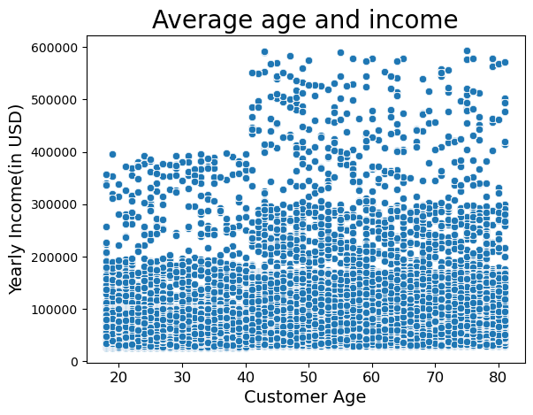
 |  |  |  | Title page

Visualisations

1 | The sales team needs to know what the busiest days of the week and hours of the day are (i.e., the days and times with the most orders) in order to schedule ads at times when there are fewer orders.
 | Answer: Busiest times start Saturday at 10 AM and Sunday at 10 AM then slow down at 4 PM on both days.
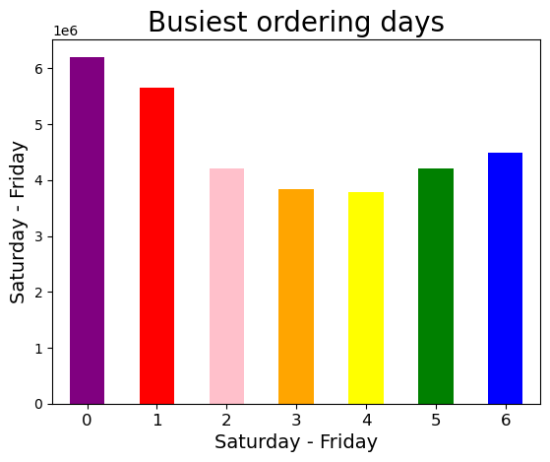
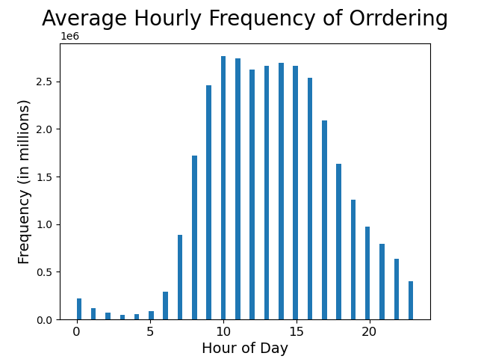

2 | They also want to know whether there are particular times of the day when people spend the most money, as this might inform the type of products they advertise at these times.
 | Answer: The most money seems to be spent later in the evening around 10 PM on Fridays and Saturdays.
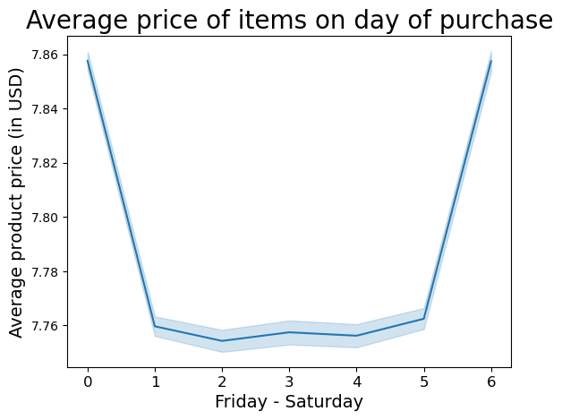
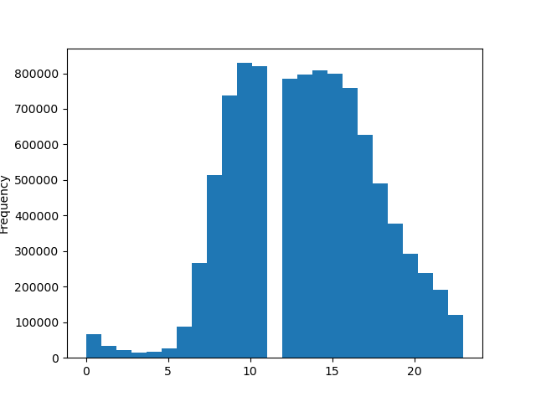
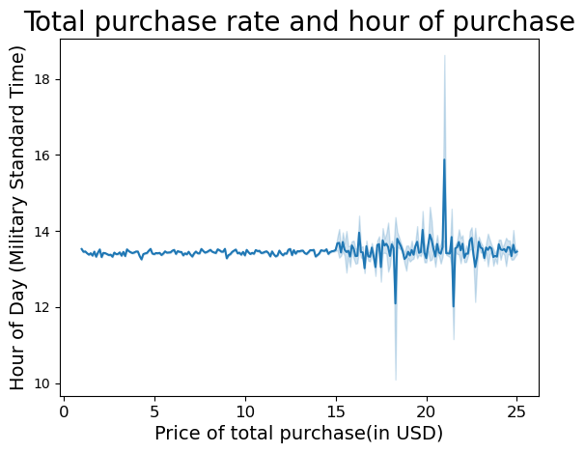

Hour of day
3 | Instacart has a lot of products with different price tags. Marketing and sales want to use simpler price range groupings to help direct their efforts.
 | Answer: A price grouping column was created that separates prices into Low, Mid, and High-range products. This will include the high ranged products in the meat/seafood column and still maintain the value of low ranged products in the more popular dairy/egg department.

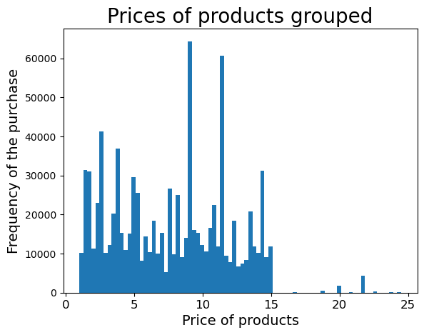
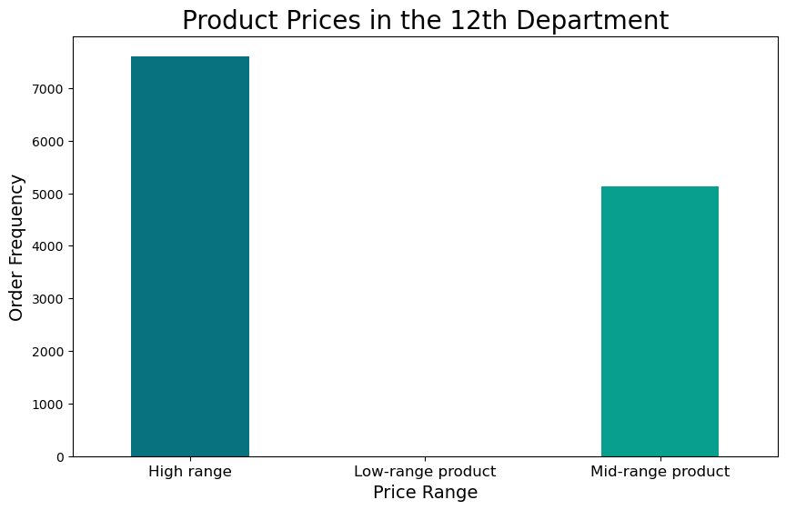
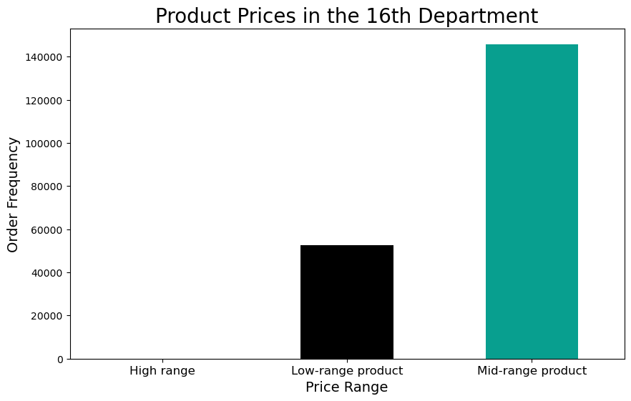

4 | Are there certain types of products that are more popular than others? The marketing and sales teams want to know which departments have the highest frequency of product orders.
 | Answer: Dairy/eggs have the highest frequency of product orders, followed by beverages, produce, and frozen goods.
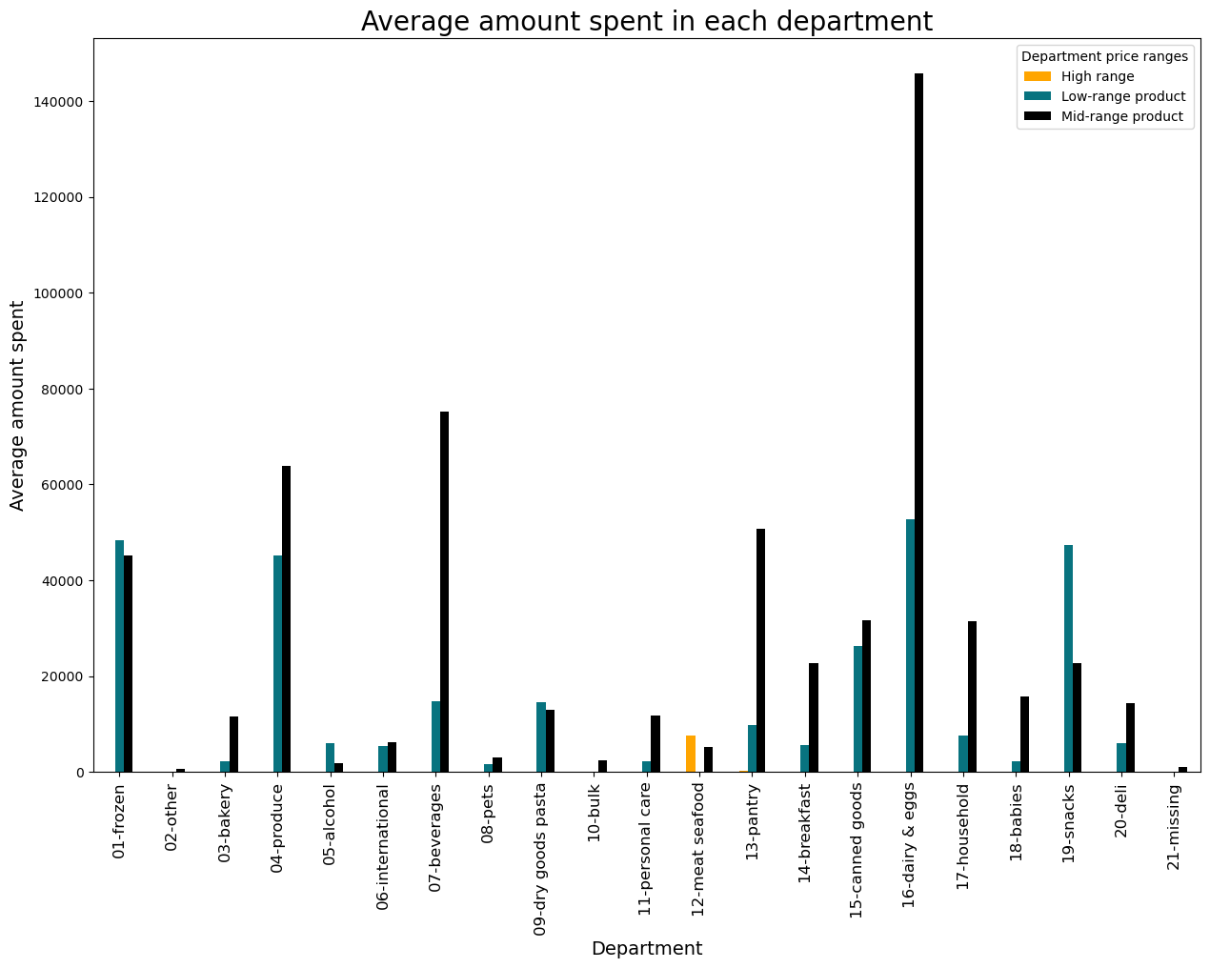

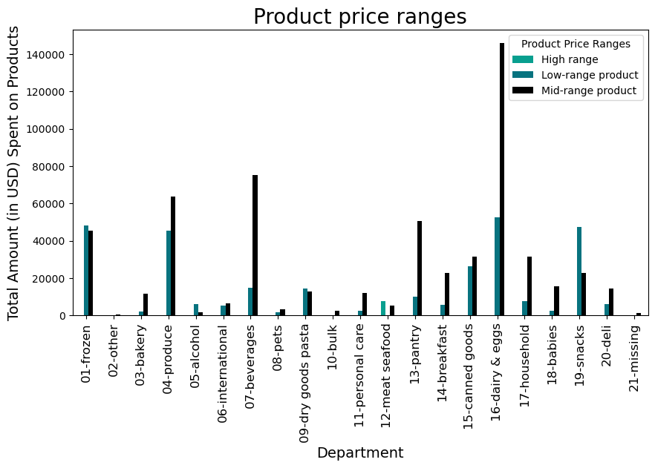

5 | The marketing and sales teams are particularly interested in the different types of customers in their system and how their ordering behaviors differ. For example:

 | 6 | ○ What’s the distribution among users in regards to their brand loyalty (i.e., how often do they return to Instacart)?
 |  | Answer: Overall loyal customers make up by a majority of frequent ordering. Regular customers make up the second largest margin of frequent orders, then new customers with inconsistent order frequency.

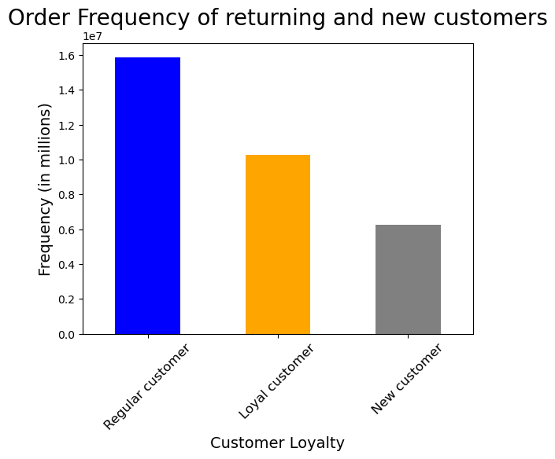
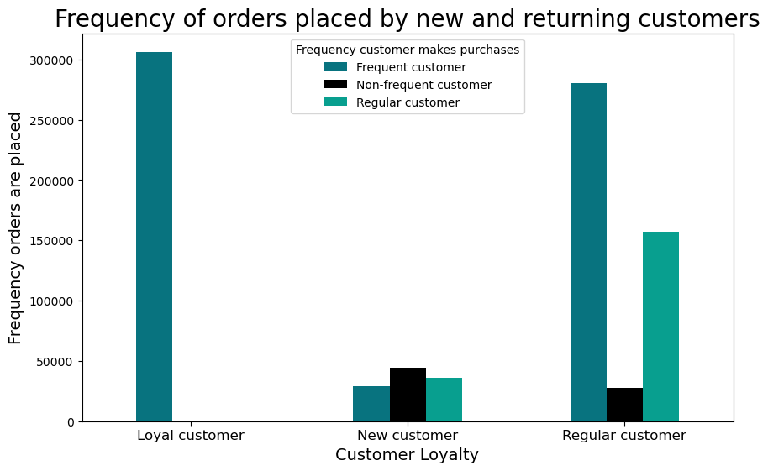
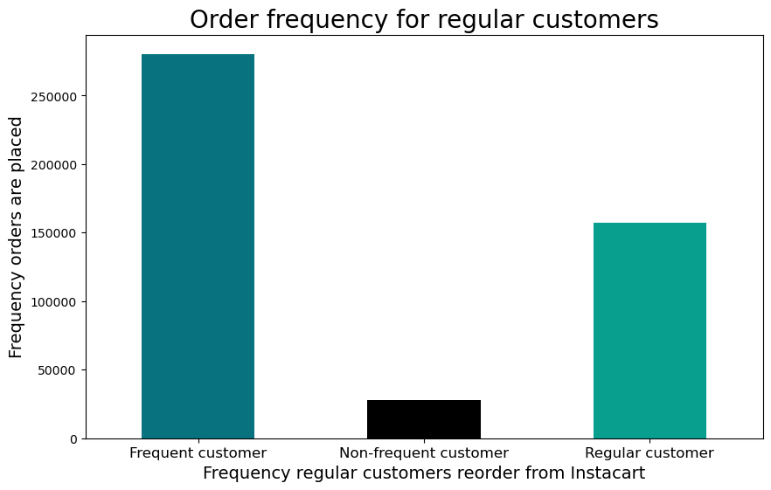

 | 7 | ○ Are there differences in ordering habits based on a customer’s loyalty status?
 |  | Answer: Customers that make regular purchases spend less but order more frequently while loyal customers make less purchases and still spend less. It's very infrequent for any customer to spend a lot on Instacart purchases.

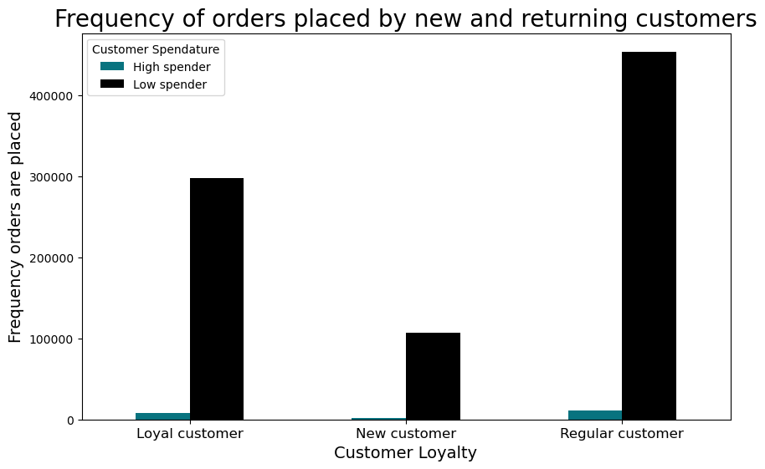

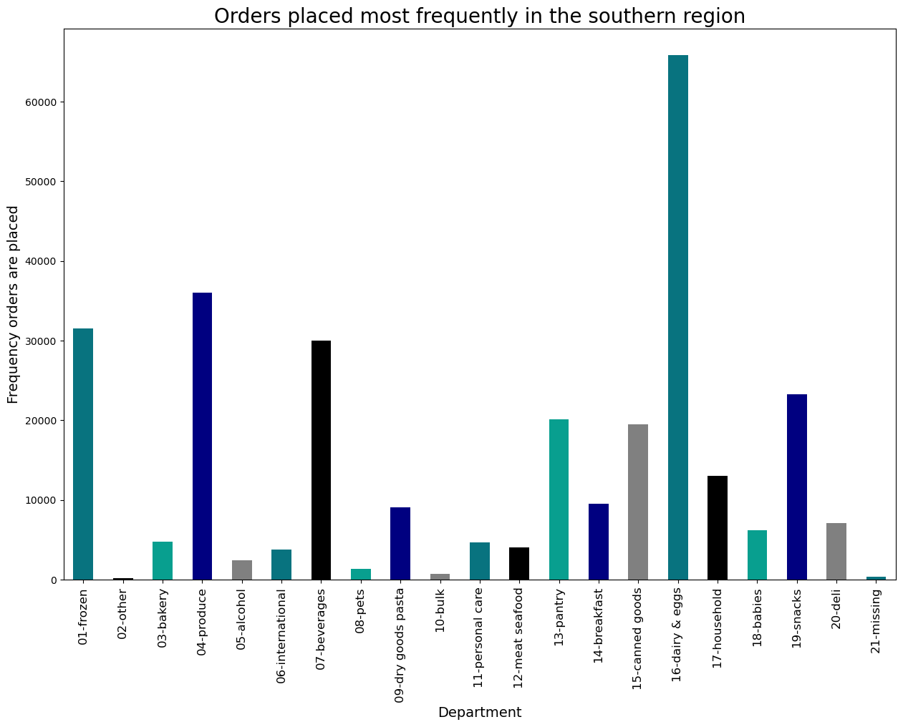
 | 8 | ○ Are there differences in ordering habits based on a customer’s region?
 |  | Answer: Yes. The users located in the southern regions tend to make more frequent purchases on eggs/dairy, beverages, frozen goods, and produce through Instacart than other regions do.
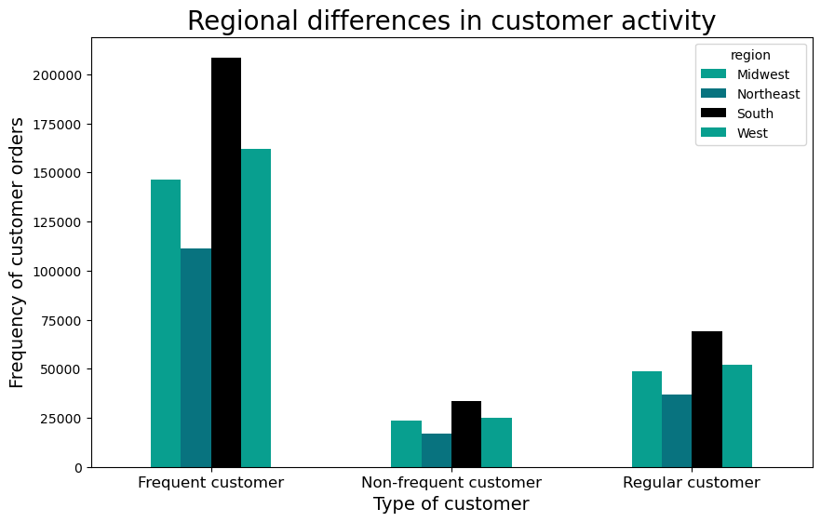
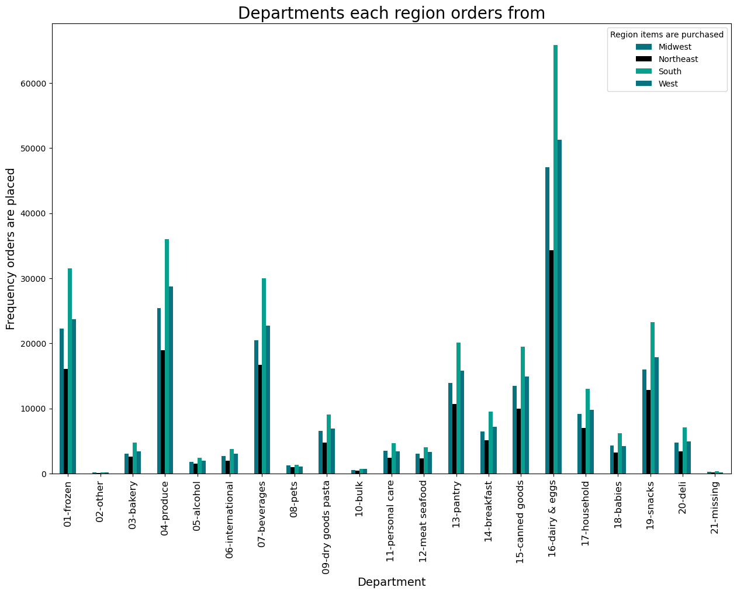
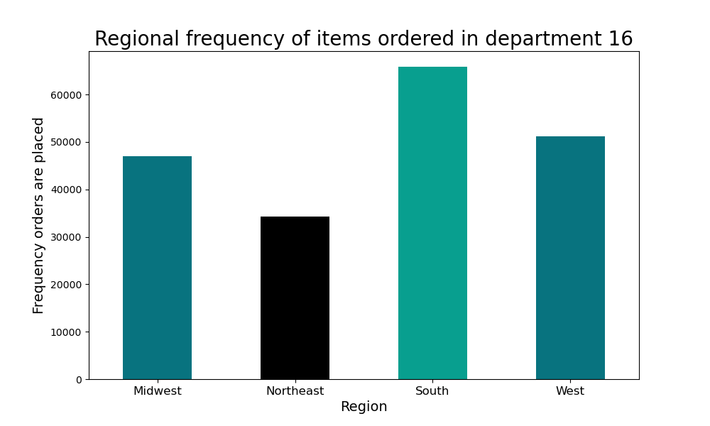

 | 9 | ○ Is there a connection between age and family status in terms of ordering habits?
 |  | Answer: Yes. Families under 40 tend to have the highest frequency of orders rather than single adults or other independent purchasers.
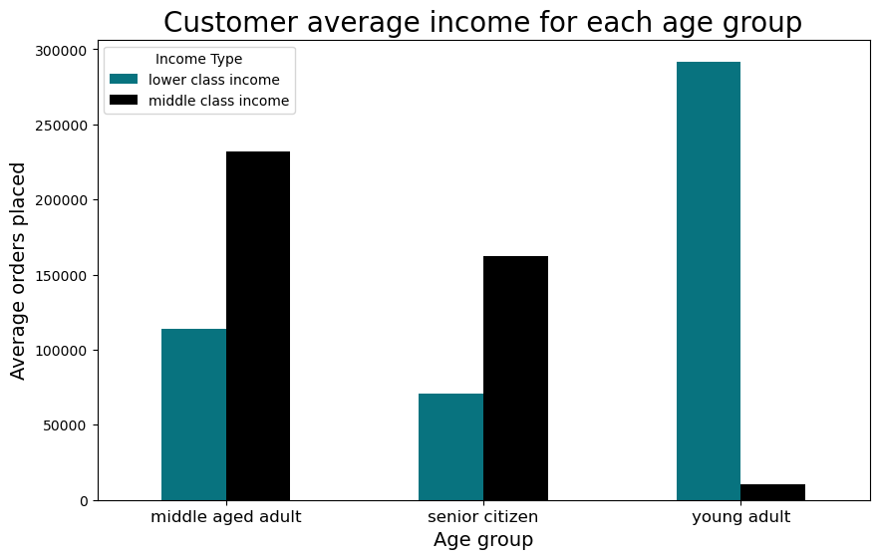
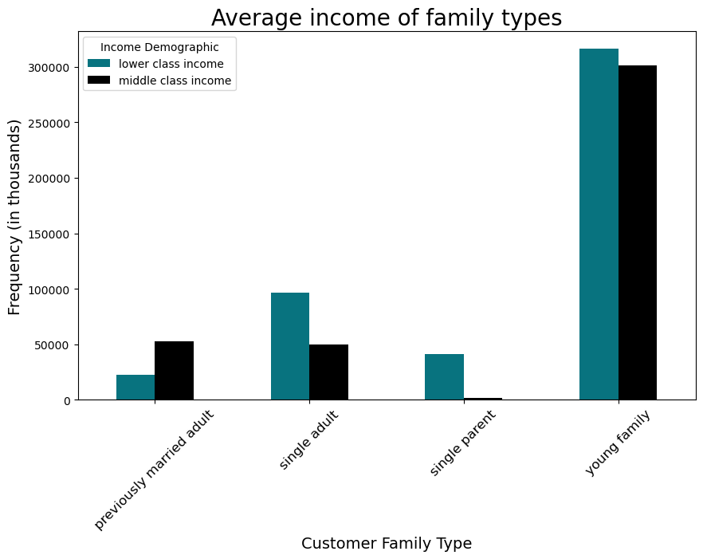
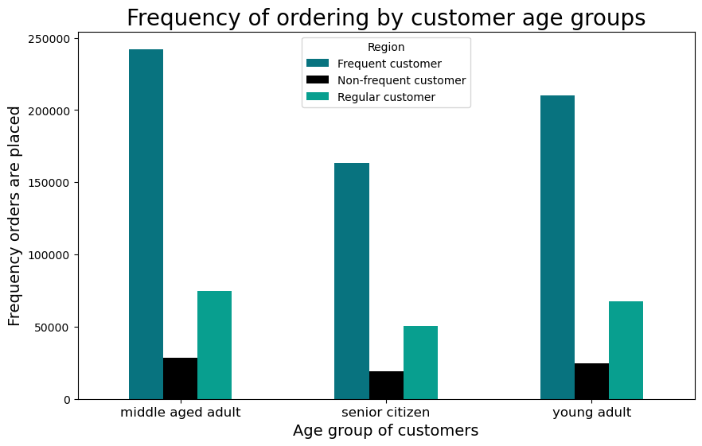

 | 10 | ○ What different classifications does the demographic information suggest?
 |  |  | Age? Income? Certain types of goods? Family status?
 |  | Answer: Age to determine senior citizens, middle aged and young adults. Income to determine lower and middle class income. Family status and the number of dependents to determine whether the user supports a household or not.

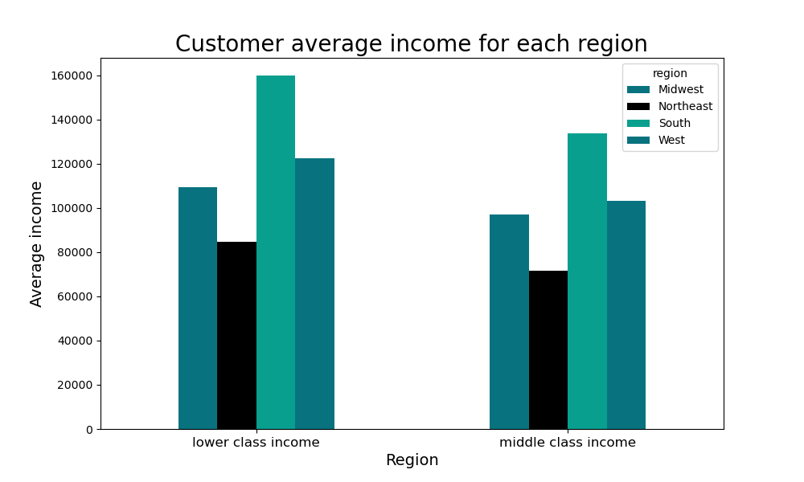

 | 11 | ○ What differences can you find in ordering habits of different customer profiles? Consider the price of orders, the frequency of orders, the products customers are ordering, and anything else you can think of.
 |  | Answer: Low income young families have the highest frequency in ordering and the next most frequent customers. The ages of the customers who order the most frequently are between the ages of 18 and 40, although the middle aged adult customers who have a higher yearly income than the young adults forementioned, are the nextmost frequent orderers.

7. Recommendations
 |  |  |  | Title page

Recommendations

Question
Key Question 1 | ● The sales team needs to know what the busiest days of the week and hours of the day are (i.e., the days and times with the most orders) in order to schedule ads at times when there are fewer orders.
 | 1 | Answer: Busiest times start Saturday at 10 AM and Sunday at 10 AM then slow down at 4 PM on both days.

Key Question 2 | ● They also want to know whether there are particular times of the day when people spend the most money, as this might inform the type of products they advertise at these times.
 | 2 | Answer: The most money seems to be spent later in the evening around 10 PM on Fridays and Saturdays.

Key Question 3 | ● Instacart has a lot of products with different price tags. Marketing and sales want to use simpler price range groupings to help direct their efforts.
 | 3 | Answer: A price grouping column was created that separates prices into Low, Mid, and High-range products. This will include the high ranged products in the meat/seafood column and still maintain the value of low ranged products in the more popular dairy/egg department.


Key Question 4 | ● Are there certain types of products that are more popular than others? The marketing and sales teams want to know which departments have the highest frequency of product orders.
 | 4 | Answer: Dairy/eggs (which includes milks, butters, egg products and alternatives to them) have the highest frequency of product orders, followed by beverages, produce, and frozen goods.

Key Question 5 | ● The marketing and sales teams are particularly interested in the different types of customers in their system and how their ordering behaviors differ.
 | 5 | Answer: Overall loyal customers make up by a majority of frequent ordering. Regular customers make up the second largest margin of frequent orders, then new customers with inconsistent order frequency.

Key Question 6 | ● What’s the distribution among users in regards to their brand loyalty (i.e., how often do they return to Instacart)?
 | 6 | Answer: Overall loyal customers make up by a majority of frequent ordering. Regular customers make up the second largest margin of frequent orders, then new customers with inconsistent order frequency.

Key Question 7 | ○ Are there differences in ordering habits based on a customer’s loyalty status?
 | 7 | Answer: Customers that make regular purchases spend less but order more frequently while loyal customers make less purchases and still spend less. It's very infrequent for any customer to spend a lot on Instacart purchases.

Key Question 8 | ○ Are there differences in ordering habits based on a customer’s region?
 | 8 | Answer: Yes. The users located in the southern regions tend to make more frequent purchases on eggs/dairy, beverages, frozen goods, and produce through Instacart than other regions do.

Key Question 9 | ○ Is there a connection between age and family status in terms of ordering habits?
 | 9 | Answer: Yes. Families under 40 have the highest frequency of orders rather than single adults or other independent purchasers.
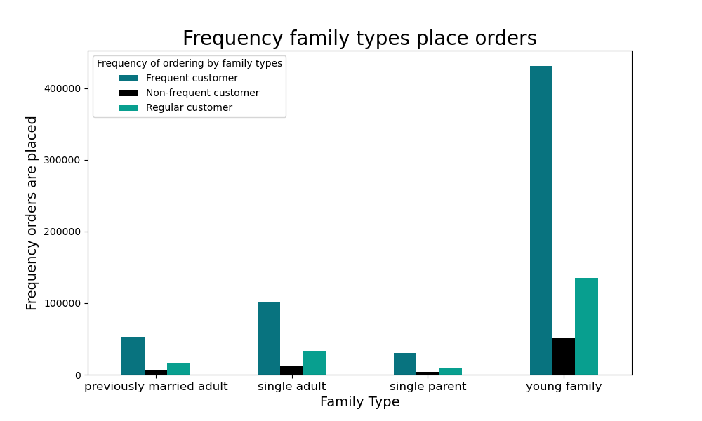

Key Question 10 | ○ What different classifications does the demographic information suggest?
 |  | Age? Income? Certain types of goods? Family status?
 | 10 | Answer: Age to determines senior citizens, middle aged and young adults. Income to determine lower and middle class income. Family status and the number of dependents to determines families make up the majority of all ordering.

Key Question 11 | ○ What differences can you find in ordering habits of different customer profiles? Consider the price of orders, the frequency of orders, the products customers are ordering, and anything else you can think of.
 | 11 | Answer: As seen above: Low income young families have the highest frequency in ordering and the next most frequent customers. The ages of the customers who order the most frequently are between the ages of 18 and 40, although the middle aged adult customers who have a higher yearly income than the young adults forementioned, are the nextmost frequent orderers.
 |  |  | As seen below: South region customers make up the majority of all ordering, and within that they order most basic good such as produce, beverages, egg/dairy products, and frozen goods.

Final Recommendations:
Market on Wednesdays and Thursdays when ordering is low, focusing on ads for meat/seafood with the highest pricing.
Primary focus should also be during the middle of the evening between 12 PM and 4 PM as it is when customers are likely to spend more.
Target product departments to advertise include: Frozen goods, produce, beverages, dairy/egg products, and snacks.
Concluding these results, refine the advertising for users who have dependants with low incomes. Orders are place more frequently in the south region, so increase ordering by advertising party combinations for regions like the northeast and the Midwest.

